Error
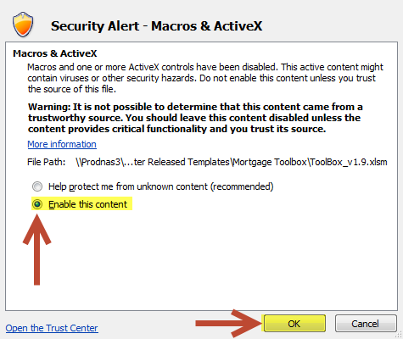


ALL MACROS MUST BE ENABLED FOR THIS TOOL TO WORK PROPERLY!

Instructions to enable macros:
1. Click on the 'Options…' button on the 'Security Warning' notification above. See below:

2. Select the 'Enable this content' option from the Security Alert pop-up and click 'OK'. See below:

